FL&Cost1
2 Function list & Cost
 | 2.1 Use case diagram
 |  | The general use case is as shown in the diagram below.

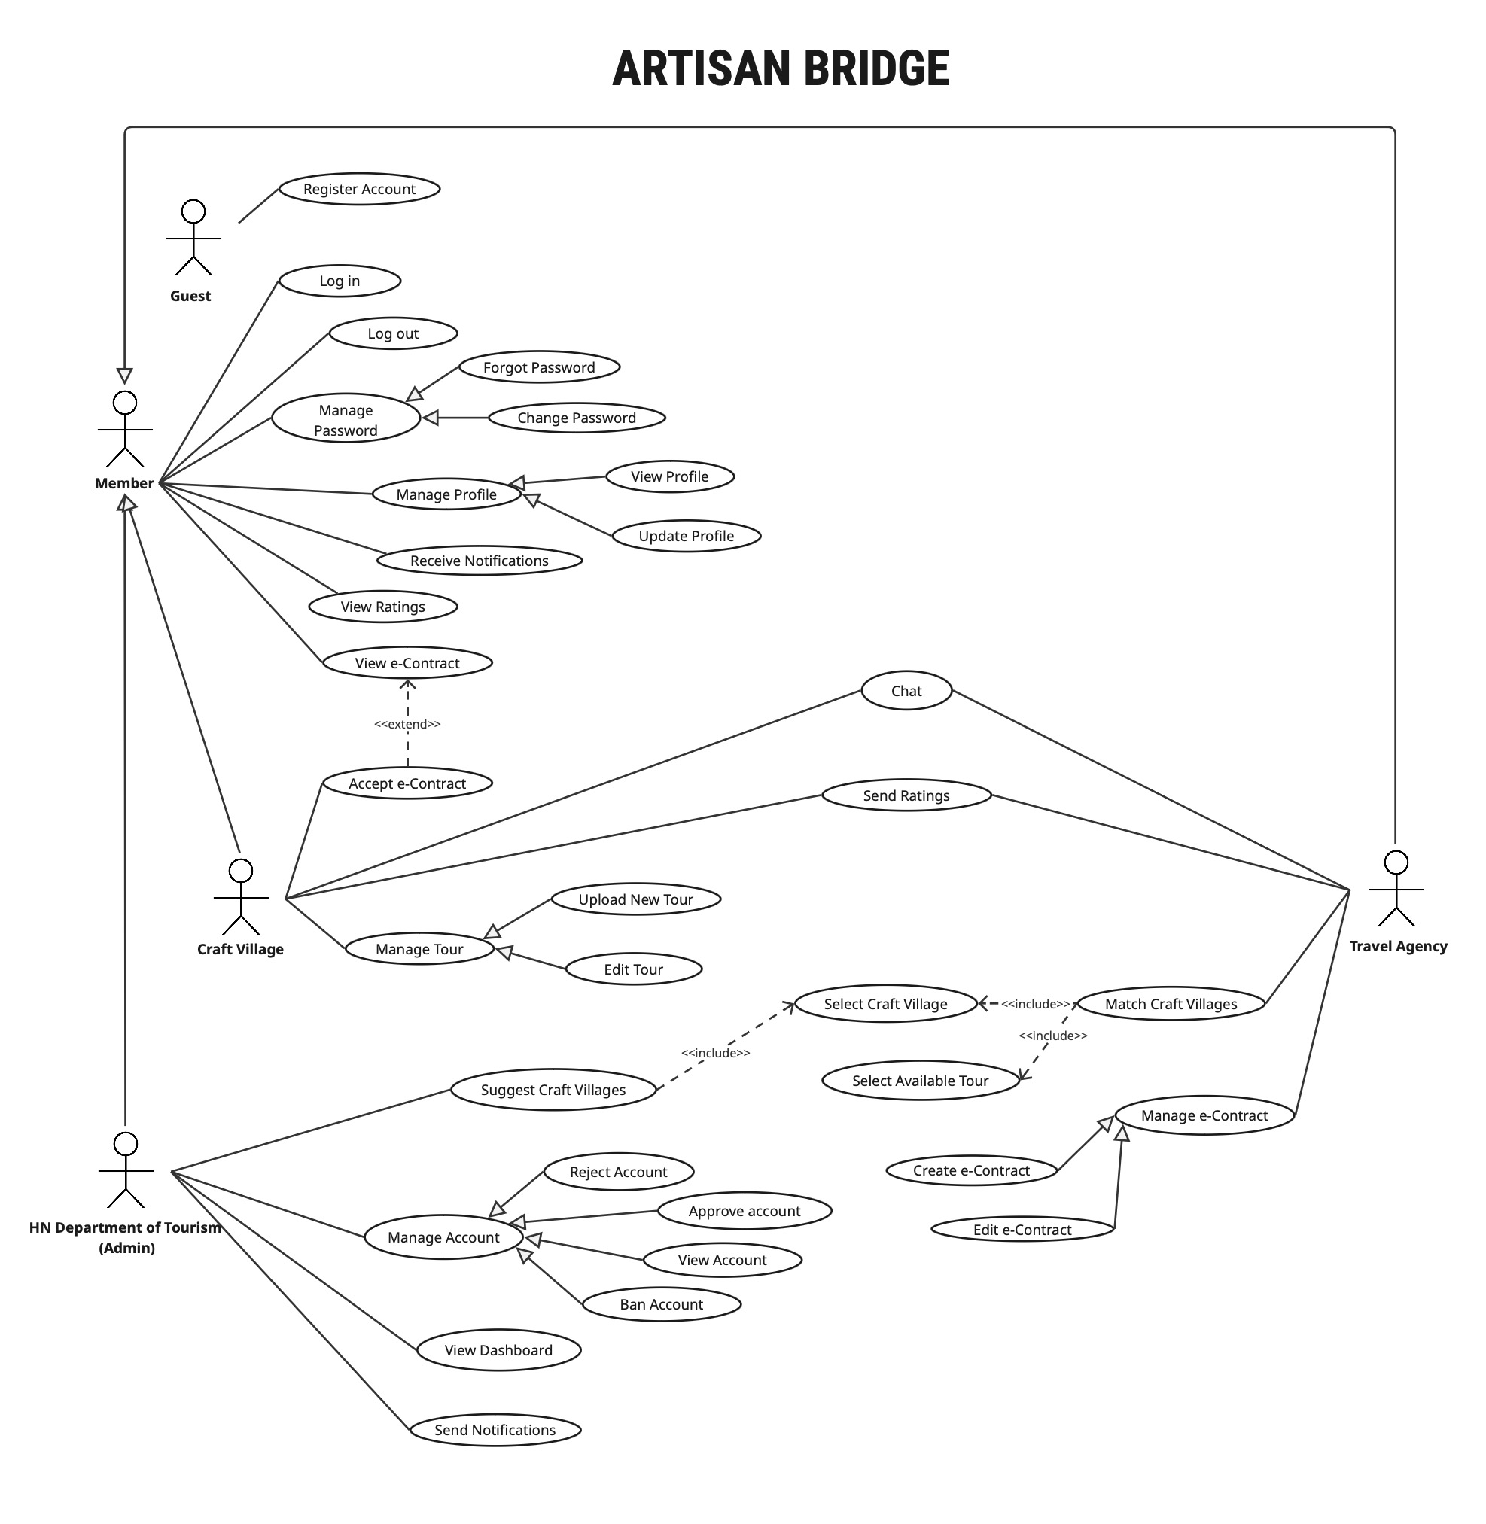

 |  |  |  |  |  |  |  |  |  | Figure 19: Use case diagram
 | 2.2 Function list

 |  | FUNCTION POINT CALCULATION
 |  |  |  |  |  |  |  | Data FP |  |  |  |  |  | Counting
 |  | No. | VAF |  |  | Weight: 0 (low) ~ 5 (high) |  |  | ILF / ELF |  | DET |  |  |  | FP |  | Complexity
 |  | 1 | Data communications |  |  | 3 |  |  | RET | 1 | 20 | 51 |  |  | Type | Low | Average | High
 |  | 2 | Distributed data processing |  |  | 3 |  |  | 1 | Low | Low | Average |  |  | ILF | 7 | 10 | 15
 |  | 3 | Performance |  |  | 3 |  |  | 2 | Low | Average | High |  |  | EIF | 5 | 7 | 10
 |  | 4 | Heavily used configuration |  |  | 3 |  |  | 6 | Average | High | High |  |  | EI | 3 | 4 | 6
 |  | 5 | Transaction rate |  |  | 3 |  |  |  |  |  |  |  |  | EO | 4 | 5 | 7
 |  | 6 | On-Line data entry |  |  | 3 |  | Transactional FP |  |  |  |  |  |  | EQ | 3 | 4 | 6
 |  | 7 | End-user efficiency |  |  | 3 |  |  | EI |  | DET
 |  | 8 | On-Line update |  |  | 3 |  |  | FTR | 1 | 5 | 16
 |  | 9 | Complex processing |  |  | 3 |  |  | 1 | Low | Low | Average
 |  | 10 | Reusability |  |  | 3 |  |  | 2 | Low | Average | High
 |  | 11 | Installation ease |  |  | 3 |  |  | 3 | Average | High | High
 |  | 12 | Operational ease |  |  | 3
 |  | 13 | Multiple sites |  |  | 3 |  |  | EO / EQ |  | DET
 |  | 14 | Facilitate change |  |  | 3 |  |  | FTR | 1 | 6 | 20
 |  |  |  |  |  | 42 |  |  | 1 | Low | Low | Average
 |  |  |  |  |  |  |  |  | 2 | Low | Average | High
 |  | FP: | Function Point |  |  |  |  |  | 4 | Average | High | High
 |  | VAF: | Value Added Factor
 |  | DET: | Data Element Type
 |  | RET: | Record Element Type
 |  | FTR: | File Types Referenced
 |  | ILF: | Internal Logical Files
 |  | EIF: | External Interface Files
 |  | EI: | External Inputs
 |  | EO: | External Outputs
 |  | EQ: | External Inquiry

 |  |  |  |  |  |  |  |  |  |  |  |  |  |  |  |  | Adjusted FP |  | 561.75
 |  | The table below lists the functions provided by this system. |  |  |  |  |  |  |  |  |  |  |  |  |  |  | Unadjusted FP |  | 525

 |  | No | Function Code | Module | Function name | Subfunction Name | Function overview |  |  |  | Actor | Category | DET | RET / FTR | Input | Output | Remarks | FP | FP adjusted
 |  | Transaction Functions
 |  | 1 | F-USER-01 | Account Management | Register Account | Display user registration form | Displays the form interface allowing a new user (Guest) to input registration details. |  |  |  | Guest | EQ | 7 | 1 | None | Registration page interface (Name, Email, Password, Account type) | Low | 3 | 3
 |  | 2 | F-USER-02 |  |  | Record and validate user input | Captures registration info and validates data for correctness and required formats. |  |  |  |  | EI | 7 | 2 | Full Name, Email, Password, Confirm Password, Account Type | Validated user data or specific error messages | Average | 4 | 4
 |  | 3 | F-USER-03 |  |  | Verify data and check for duplicates | Checks if the provided email address already exists in the system database. |  |  |  |  | EQ | 2 | 1 | User-provided email address | Valid status (not a duplicate) or "Email already exists" error | Low | 3 | 3
 |  | 4 | F-USER-04 |  |  | Create account and save to system | Creates a new user record with "Pending Approval" status and hashes the password. |  |  |  |  | EI | 16 | 3 | Validated user data (profile info + hashed password) | Newly created User ID and registration success message | High | 6 | 6
 |  | 5 | F-USER-05 |  | Login | Display login interface | Displays the form for registered users to enter credentials to access the system. |  |  |  | Member | EQ | 4 | 1 | None | Login page interface with Email and Password fields | Low | 3 | 3
 |  | 6 | F-USER-06 |  |  | Capture and verify credentials | Captures the email and password entered by the user and performs initial empty-field check. |  |  |  |  | EI | 3 | 1 | Email (string), Password (string) | Captured login credentials for authentication | Low | 3 | 3
 |  | 7 | F-USER-07 |  |  | Authenticate and grant access | Compares credentials against DB, checks "Approved" status, and creates a user session. |  |  |  |  | EI | 5 | 2 | Email, Plain-text password | Authenticated user session/token or "Invalid" error message | Average | 4 | 4
 |  | 8 | F-USER-08 |  |  | Redirect to homepage | Automatically navigates the user to their personalized dashboard after successful login/logout. |  |  |  |  | EQ | 1 | 1 | Valid user session or Logout trigger | User's dashboard or public homepage interface | Low | 3 | 3
 |  | 9 | F-USER-09 |  | Logout | Terminate session | Invalidates the current user session or authentication token upon logout request. |  |  |  |  | EI | 1 | 1 | Logout request from the user | Terminated user session status | Low | 3 | 3
 |  | 10 | F-USER-10 |  |  | Confirm logout | Displays a confirmation message indicating the user has successfully exited the system. |  |  |  |  | EQ | 1 | 1 | None (triggered after F-USER-09) | "You have been successfully logged out" message | Low | 3 | 3
 |  | 11 | F-USER-11 |  | Forgot Password | Display password recovery interface | Displays the form allowing a user to enter their email to start the password reset process. |  |  |  |  | EQ | 2 | 1 | None | Recovery page with email input field and "Submit" button | Low | 3 | 3
 |  | 12 | F-USER-12 |  |  | Validate email existence and generate recovery token | Verifies if the email exists and generates a secure, time-limited token for reset. |  |  |  |  | EI | 6 | 3 | User-provided email address | Success status and generated unique recovery token | High | 6 | 6
 |  | 13 | F-USER-13 |  |  | Deliver recovery notification via email | Sends an email containing an OTP to the user's registered address. |  |  |  |  | EO | 10 | 2 | User Email, Recovery Token/Link | Recovery email sent status (Success/Fail) | Average | 5 | 5
 |  | 14 | F-USER-14 |  |  | Verify recovery token and validate new password complexity | Validates the token and ensures the new password meets complexity requirements. |  |  |  |  | EI | 8 | 2 | Recovery Token, New Password, Confirm Password | Token validation status and password complexity pass/fail | Average | 4 | 4
 |  | 15 | F-USER-15 |  |  | Update password in database and invalidate old token | Saves the new hashed password to the DB and disables the used recovery token. |  |  |  |  | EI | 16 | 4 | User ID, Validated New Password (hashed) | Success message and redirect to login page | High | 6 | 6
 |  | 16 | F-USER-16 |  | Change Password | Display change password form | Provides the interface within settings for a logged-in Member to update their password. |  |  |  |  | EQ | 4 | 1 | None | Form with Current, New, and Confirm Password fields | Low | 3 | 3
 |  | 17 | F-USER-17 |  |  | Authenticate current password and validate new input match | Verifies the old password and ensures the new inputs match and meet policies. |  |  |  |  | EI | 7 | 2 | Current Password, New Password, Confirm New Password | Validation status and match/mismatch messages | Average | 4 | 4
 |  | 18 | F-USER-18 |  |  | Encrypt and save new password to the database | Hashes the new password and updates the user record with a new timestamp. |  |  |  |  | EI | 2 | 1 | User ID, Validated New Password | Success/Failure status of the DB update operation | Low | 3 | 3
 |  | 19 | F-USER-19 |  |  | Display password change success notification | Provides immediate visual feedback confirming the password update was successful. |  |  |  |  | EQ | 1 | 1 | Success status from F-USER-18 | On-screen popup success message | Low | 3 | 3
 |  | 20 | F-PROFILE-01 | Profile Management | View Profile | Display profile interface | Displays the personal profile information page for the logged-in user. |  |  |  |  | EQ | 8 | 2 | User ID from the current session | The "My Profile" page interface | Average | 4 | 4
 |  | 21 | F-PROFILE-02 |  |  | Retrieve user data from the database | Fetches detailed information, tour/contract statistics, and ratings of the user. |  |  |  |  | EQ | 20 | 4 | User ID | User data object (Name, Email, Stats, etc.) | High | 6 | 6
 |  | 22 | F-PROFILE-03 |  |  | Show detailed information | Populates the fetched user data into the corresponding fields on the interface. |  |  |  |  | EQ | 8 | 1 | User data object | Populated profile interface for viewing | Low | 3 | 3
 |  | 23 | F-PROFILE-04 |  |  | Redirect to previous interface | Handles navigation back to the previous page or homepage from profile. |  |  |  |  | EQ | 1 | 1 | Back or Home button click | Previous page or homepage interface | Low | 3 | 3
 |  | 24 | F-PROFILE-05 |  | Update Profile | Display editable profile form | Renders the profile information within an editable form for modification. |  |  |  |  | EQ | 8 | 2 | Edit button click event | Pre-filled editable form interface | Average | 4 | 4
 |  | 25 | F-PROFILE-06 |  |  | Enable editing for selected fields | Activates the input fields to allow user interaction and data entry. |  |  |  |  | EQ | 8 | 1 | Displayed editable form | Active fields state (Ready for input) | Low | 3 | 3
 |  | 26 | F-PROFILE-07 |  |  | Capture and validate input | Captures new information and checks for correct formats (e.g., phone, address). |  |  |  |  | EI | 7 | 1 | Updated profile data from form | Validated data or real-time error messages | Low | 3 | 3
 |  | 27 | F-PROFILE-08 |  |  | Update user data in the database | Saves the validated changes and updates the "Last Modified" timestamp. |  |  |  |  | EI | 16 | 2 | Validated user data object | Success/Failure status for the update | High | 6 | 6
 |  | 28 | F-PROFILE-09 |  |  | Display update success notification | Provides a clear confirmation message to the user after saving changes. |  |  |  |  | EQ | 2 | 1 | Success status from F-PROFILE-08 | "Profile updated successfully" message | Low | 3 | 3
 |  | 29 | F-DIR-01 | Directory & Search | Select Craft Villages (For Matching) | Display list of available craft villages | Retrieves and displays a grid of all approved craft villages for browsing. |  |  |  | Travel Agency | EQ | 6 | 1 | Access request, pagination params | List of villages with summary info | Low | 3 | 3
 |  | 30 | F-DIR-02 |  |  | Filter and sort villages based on keywords or categories | Allows users to narrow down villages by name, region, or specialty. |  |  |  |  | EQ | 4 | 1 | Search keywords, filter/sort options | Updated and filtered village list | Low | 3 | 3
 |  | 31 | F-DIR-03 |  |  | Retrieve and show village information | Fetches a 360-degree view of a village (Photos, Description, Tours, Ratings). |  |  |  |  | EQ | 20 | 4 | Village ID | Village detail page interface | High | 6 | 6
 |  | 32 | F-DIR-04 |  |  | Redirect to previous interface | Returns the user to the filtered directory view or the main homepage. |  |  |  |  | EQ | 1 | 1 | Back button | Previous directory view or homepage | Low | 3 | 3
 |  | 33 | F-DIR-05 |  | Select Available Tour | Display list of current tours | Shows a list of all currently published tours available for travel agencies. |  |  |  |  | EQ | 6 | 1 | Access request, pagination | Tour list interface with summary info | Low | 3 | 3
 |  | 34 | F-DIR-06 |  |  | Filter and sort tours by date, location, or theme | Provides options to sort tours by price, date, or specific themes. |  |  |  |  | EQ | 4 | 1 | Filter criteria (Date, Price, Theme) | Filtered list of tours | Low | 3 | 3
 |  | 35 | F-DIR-07 |  |  | Retrieve and show tour information | Displays comprehensive details of a selected tour (Schedule, pricing, media). |  |  |  |  | EQ | 15 | 3 | Tour ID | Tour detail page interface | Average | 4 | 4
 |  | 36 | F-DIR-08 |  | Match Craft Villages | Display matching button on village interface | Displays the "Match" button strictly for Travel Agencies on village profiles. |  |  |  |  | EQ | 7 | 3 | User Role (Travel Agency) | Interactive "Match" button visible on UI | Average | 4 | 4
 |  | 37 | F-DIR-09 |  |  | Trigger matching request process | Initiates a partnership request by creating a record in the Matching Database. |  |  |  |  | EI | 6 | 2 | Agency ID, Village ID | "Pending" matching record created in DB | Average | 4 | 4
 |  | 38 | F-DIR-10 |  |  | Display matching request confirmation | Alerts the agency that the request was sent and updates the button status. |  |  |  |  | EO | 3 | 2 | Success status from F-DIR-09 | "Matching Request sent successfully" pop-up | Low | 4 | 4
 |  | 39 | F-DIR-11 |  |  | Display matching request status list | Dashboard for agencies to track status (Pending, Accepted, Rejected) of matches. |  |  |  |  | EQ | 10 | 3 | Travel Agency ID | List of requests with current statuses | Average | 4 | 4
 |  | 40 | F-CONTRACT-01 | E-Contract Management | View e-Contract | Display e-Contract list | Shows all contracts related to the user, filtered by their role and status. |  |  |  | Member | EQ | 6 | 1 | User ID, User Role | Contract list/table interface | Low | 3 | 3
 |  | 41 | F-CONTRACT-02 |  |  | Retrieve and display e-Contract details | Fetches terms, parties info, and negotiation history for detailed review. |  |  |  |  | EQ | 22 | 4 | Contract ID, User ID | Detailed contract view or PDF preview | High | 6 | 6
 |  | 42 | F-CONTRACT-03 |  |  | Redirect to previous interface | Navigates the user back to the contract list or their dashboard. |  |  |  |  | EQ | 1 | 1 | Close or Back button click | Previous contract list or dashboard | Low | 3 | 3
 |  | 43 | F-CONTRACT-04 |  | Create e-Contract | Auto-generate e-Contract from template | Automatically pre-fills a standard template with data from user profiles. |  |  |  | Travel Agency | EO | 20 | 3 | Match ID / Request ID | Pre-filled digital contract form | High | 7 | 7
 |  | 44 | F-CONTRACT-05 |  |  | Capture and validate e-Contract inputs | Records commercial terms (Price, Dates) entered by the agency. |  |  |  |  | EI | 8 | 1 | Price, Dates, Service details | Validated contract data object | Low | 3 | 3
 |  | 45 | F-CONTRACT-06 |  |  | Save e-Contract and set Pending status | Saves the contract into the DB and makes it visible to the Craft Village. |  |  |  |  | EI | 10 | 1 | Validated contract object | "Pending Review" status in DB | Low | 3 | 3
 |  | 46 | F-CONTRACT-07 |  |  | Display success notification and notify Craft Village | Confirms creation to agency and sends a notification to the village partner. |  |  |  |  | EO | 4 | 2 | Success status from F-CONTRACT-06 | Success message UI + System notification | Low | 4 | 4
 |  | 47 | F-CONTRACT-08 |  | Edit e-Contract | Validate updated inputs and maintain version history | Validates negotiation edits and logs the changes for transparency. |  |  |  |  | EI | 7 | 2 | Modified fields, User ID | Pass/Fail status and audit log entry | Average | 4 | 4
 |  | 48 | F-CONTRACT-09 |  |  | Update e-Contract data and notify Craft Village | Commits updated terms to DB and alerts the other party to review edits. |  |  |  |  | EI | 9 | 2 | Validated data, Partner ID | Updated record and alert notification | Average | 4 | 4
 |  | 49 | F-CONTRACT-10 |  | Accept e-Contract | Update e-Contract to finalized status | Permanently locks the contract as "Accepted" once the village confirms. |  |  |  | Craft Village | EI | 4 | 1 | Contract ID, User ID | "Finalized" status in DB | Low | 3 | 3
 |  | 50 | F-CONTRACT-11 |  |  | Display success confirmation message | Provides visual feedback that the contract is now officially agreed upon. |  |  |  |  | EQ | 2 | 1 | Success status from F-CONTRACT-10 | "Contract accepted successfully" message | Low | 3 | 3
 |  | 51 | F-CONTRACT-12 |  |  | Generate digital signature page | Creates a final PDF including a verification log of both parties and a hash. |  |  |  |  | EO | 22 | 3 | Finalized data, timestamps | Downloadable Finalized PDF document | High | 7 | 7
 |  | 52 | F-TOUR-01 | Tour Management | Upload New Tour | Render form for uploading a tour | Displays a blank form for the Village to enter new tour details. |  |  |  |  | EQ | 8 | 2 | Request to add new tour | Blank tour creation form interface | Average | 4 | 4
 |  | 53 | F-TOUR-02 |  |  | Input and validate tour information | Captures and validates data (Price must be positive, Dates in future). |  |  |  |  | EI | 7 | 1 | Tour Name, Price, Schedule, etc. | Validated tour data or error messages | Low | 3 | 3
 |  | 54 | F-TOUR-03 |  |  | Save tour data and upload media files | Stores tour record and handles image/video file uploads to storage. |  |  |  |  | EI | 16 | 3 | Validated data, Media files | New Tour ID and success message | High | 6 | 6
 |  | 55 | F-TOUR-04 |  |  | Make tour publicly visible on the platform | Updates tour status from "Draft" to "Published" for Agency visibility. |  |  |  |  | EI | 3 | 2 | Tour ID | "Tour published successfully" message | Low | 3 | 3
 |  | 56 | F-TOUR-05 |  | Edit Tour | Retrieve and display existing tour for editing | Fetches stored data of an existing tour and populates it into the edit form. |  |  |  |  | EQ | 8 | 2 | Tour ID | Pre-filled tour editing form | Average | 4 | 4
 |  | 57 | F-TOUR-06 |  |  | Modify tour information such as title, description, and media | Re-validates the updated fields (Title, Description, Media) before saving. |  |  |  |  | EI | 8 | 1 | New form data entered by user | Validated updated data or error messages | Low | 3 | 3
 |  | 58 | F-TOUR-07 |  |  | Save updated tour information to the database | Persists changes to the DB and handles updating/replacing media files. |  |  |  |  | EI | 16 | 3 | Validated object, Tour ID | "Update successful" message | High | 6 | 6
 |  | 59 | F-NOTI-01 | Notification Services | Receive Notifications | Identify system or user-triggered events that require notification | A background process that detects specific actions (matching, contract signing, etc.) that require an alert. |  |  |  | Member | EQ | 3 | 1 | System events (e.g., match request, account approval) | Event flag containing event type and relevant IDs | Low | 3 | 3
 |  | 60 | F-NOTI-02 |  |  | Create notification message and assign target recipient(s) | Constructs the message content using predefined templates and identifies the correct recipient(s). |  |  |  |  | EO | 5 | 2 | Event flag, notification templates | Complete notification object (Receiver ID, Title, Body) | Low | 4 | 4
 |  | 61 | F-NOTI-03 |  |  | Deliver notification via in-app or email channels | Dispatches the notification through designated channels based on user preferences. |  |  |  |  | EI | 12 | 4 | Notification object, User preferences | Sent notification (In-app/Email) and delivery log | High | 6 | 6
 |  | 62 | F-NOTI-04 |  |  | Show received notifications on the user dashboard | Fetches and displays a list of unread and past notifications in the user's notification center. |  |  |  |  | EQ | 6 | 2 | User ID | Formatted list of notifications sorted by date | Average | 4 | 4
 |  | 63 | F-RT-01 | Ratings | View Ratings | Display rating interface (e.g., stars, comment box) | Renders the UI components (stars, progress bars) for users to see the overall feedback. |  |  |  |  | EQ | 3 | 2 | Request to view ratings | Rating interface shell | Low | 3 | 3
 |  | 64 | F-RT-02 |  |  | Fetch rating information from the database | Queries the database for all approved ratings and comments linked to a specific village or tour. |  |  |  |  | EQ | 5 | 2 | Village ID or Tour ID | Collection of raw rating records | Low | 3 | 3
 |  | 65 | F-RT-03 |  |  | Show overall average rating and number of reviews | Performs calculations to display the mean score and the total volume of feedback received. |  |  |  |  | EO | 8 | 3 | Collection of rating data | Average star score and total count (e.g., 4.5 stars, 120 reviews) | Average | 5 | 5
 |  | 66 | F-RT-04 |  |  | Present individual ratings with reviewer name, score, and comment | Renders the detailed list of reviews, including names (anonymized if needed), scores, and text. |  |  |  |  | EQ | 5 | 2 | Collection of rating data | Detailed review list on UI | Low | 3 | 3
 |  | 67 | F-RT-05 |  |  | Enable filtering or sorting by score, date, or reviewer | Allows users to re-order the list (e.g., newest first) or filter by specific star levels. |  |  |  |  | EO | 6 | 2 | Sort/Filter criteria (e.g., "5 stars only") | Re-rendered list based on criteria | Average | 5 | 5
 |  | 68 | F-RT-06 |  | Send Ratings | Allow user to select a rating score and enter an optional comment | Captures user interactions with the star selector and the text area for review submission. |  |  |  | Travel Agency, Craft Village | EI | 5 | 4 | Star selection (1-5), Comment text | Unvalidated rating data object | High | 6 | 6
 |  | 69 | F-RT-07 |  |  | Check that rating value is valid and required fields are completed | Ensures mandatory fields (stars) are filled and checks for forbidden language or character limits. |  |  |  |  | EI | 4 | 2 | Unvalidated rating data | Validation status (Pass/Fail) or Error message | Low | 3 | 3
 |  | 70 | F-RT-08 |  |  | Send rating data to the system and store it in the database | Persists the validated review into the DB and updates the average score of the subject entity. |  |  |  |  | EI | 8 | 3 | Validated rating object, User ID | Saved record in database | High | 6 | 6
 |  | 71 | F-RT-09 |  |  | Display success message and update rating list in real time | Provides immediate visual confirmation and refreshes the rating list without a page reload. |  |  |  |  | EO | 3 | 2 | Success status from F-RT-08 | Success toast message and updated review view | Low | 4 | 4
 |  | 72 | F-CRM-01 | Chat | Chat | Start a chat conversation with support or another user | Initiates a new chat session after verifying the "Accepted Matching" precondition between parties. |  |  |  |  | EI | 6 | 3 | Initiator ID, Recipient ID | Active chat window and session ID | High | 6 | 6
 |  | 73 | F-CRM-02 |  |  | Transmit a text message during a chat session | Captures text input from the sender and transmits it over the real-time server. |  |  |  |  | EI | 4 | 3 | Message content, Active session ID | Message delivered to server | Average | 4 | 4
 |  | 74 | F-CRM-03 |  |  | Display incoming messages in real time | Actively listens for server responses and appends new messages to the recipient's window instantly. |  |  |  |  | EO | 8 | 3 | New message data from server | Rendered message in the conversation history | Average | 5 | 5
 |  | 75 | F-CRM-04 |  |  | Terminate chat and save conversation record | Closes the active session and ensures the entire conversation log is archived for future reference. |  |  |  |  | EI | 6 | 3 | Session ID, Close action | Archived chat history and closed UI | High | 6 | 6
 |  | 76 | F-ADMIN-01 | Platform Administration | Approve Account | Retrieve and display the list of unapproved user accounts | Fetches and displays all user accounts currently in a "Pending Approval" state for admin review. |  |  |  | Admin | EQ | 8 | 1 | Admin session, filter criteria | List of pending accounts with summary info (Name, Type, Date) | Low | 3 | 3
 |  | 77 | F-ADMIN-02 |  |  | Access detailed information and uploaded documents | Allows admin to view complete profile data and examine business licenses or IDs submitted during registration. |  |  |  |  | EI | 20 | 3 | Selected User ID | Detailed profile view and links to/previews of uploaded documents | High | 6 | 6
 |  | 78 | F-ADMIN-03 |  |  | Confirm approval and activate user access | Formally updates the account status to "Active" and grants the user full system access. |  |  |  |  | EI | 6 | 2 | User ID, approval confirmation | Success message and updated "Active" status in database | Average | 4 | 4
 |  | 79 | F-ADMIN-04 |  | Reject Account | Retrieve and display accounts awaiting review | Displays the queue of unprocessed accounts specifically for the rejection workflow. |  |  |  |  | EQ | 8 | 1 | Admin session | Table of pending accounts ready for processing | Low | 3 | 3
 |  | 80 | F-ADMIN-05 |  |  | Check submitted information and reasons for rejection | Evaluates applicant data and provides an interface to select or type valid reasons for denying access. |  |  |  |  | EI | 10 | 2 | User ID, rejection categories/text | Validated rejection reason data object | Average | 4 | 4
 |  | 81 | F-ADMIN-06 |  |  | Mark the account as rejected and send rejection notification | Updates account status to "Rejected" and dispatches an official notice explaining the decision to the user. |  |  |  |  | EO | 12 | 3 | User ID, validated rejection reason | Success message and dispatched rejection notification | Average | 5 | 5
 |  | 82 | F-ADMIN-07 |  | View Account | Use search/filter options to locate the user | Provides a comprehensive search engine to find any registered user by name, email, role, or status. |  |  |  |  | EQ | 10 | 2 | Search keywords, filter parameters (Role, Status) | Filtered list of matching user accounts | Average | 4 | 4
 |  | 83 | F-ADMIN-08 |  |  | Choose a specific user from the search output | Selects a single user record from the results list to prepare for a deep-dive data view. |  |  |  |  | EI | 5 | 1 | Click event on User row/ID | Navigation trigger to the individual account detail view | Low | 3 | 3
 |  | 84 | F-ADMIN-09 |  |  | Display full profile, activity log, and status | Shows a "360-degree" view of a user including their profile, activity timeline, and standing across modules. |  |  |  |  | EQ | 25 | 4 | User ID | Comprehensive account dashboard (Profile, History, Logs) | High | 6 | 6
 |  | 85 | F-ADMIN-10 |  | Ban Account | Detect accounts violating community or platform rules | Identifies accounts flagged by system algorithms or user reports for suspicious behavior or violations. |  |  |  |  | EO | 15 | 3 | System alerts, user reports, account data | Violator ID and compiled evidence data | Average | 5 | 5
 |  | 86 | F-ADMIN-11 |  |  | Restrict access and update account status to “banned” | Revokes all access permissions immediately and updates the system record to a permanent or temporary "Banned" state. |  |  |  |  | EI | 8 | 2 | User ID, ban duration, reason | Success message and updated "Banned" status in DB | Average | 4 | 4
 |  | 87 | F-ADMIN-12 |  |  | Send notification informing user of the ban reason and duration | Dispatches an official security alert to the banned user detailing the rules violated and the duration of the ban. |  |  |  |  | EO | 10 | 2 | User ID, ban details | Dispatched ban notification (Email/In-app) | Average | 5 | 5
 |  | 88 | F-ADMIN-13 |  | View Dashboard | Display main dashboard overview for administrators | Provides a high-level cockpit view of platform KPIs such as total registrations, active contracts, and recent matches. |  |  |  |  | EO | 30 | 5 | Admin session | Graphical dashboard with summary metrics and real-time stats | High | 7 | 7
 |  | 89 | F-ADMIN-14 |  |  | Access logs of matching activities and outcomes | Lists the chronological history of interactions between Agencies and Villages to monitor partnership trends. |  |  |  |  | EQ | 12 | 2 | Date range, village/agency filters | Audit log of matching requests and their final outcomes | Average | 4 | 4
 |  | 90 | F-ADMIN-15 |  |  | Review performance and user engagement reports | Aggregates and analyzes data on tour popularity, contract signing speed, and overall user activity levels. |  |  |  |  | EI | 20 | 4 | Report type, time period | Data-heavy performance report (Raw data or PDF) | High | 6 | 6
 |  | 91 | F-ADMIN-16 |  |  | Produce data visualizations and key metrics summaries | Converts complex platform data into easy-to-read charts and graphs for Department of Tourism oversight. |  |  |  |  | EO | 25 | 4 | Aggregated metrics data | Interactive visual charts (Bar, Pie, Line) on dashboard | High | 7 | 7
 |  | 92 | F-ADMIN-17 |  | Send notifications | Display notification management dashboard | Access point for admins to oversee broadcast communications and view history of sent system alerts. |  |  |  |  | EQ | 12 | 2 | Admin session | Notification management interface showing history | Average | 4 | 4
 |  | 93 | F-ADMIN-18 |  |  | Enter title, message content, and recipient group | Composes a new broadcast or targeted message for a specific segment (e.g., "All Craft Villages in Hanoi"). |  |  |  |  | EO | 8 | 1 | Title, Body text, Recipient criteria | Draft notification object | Low | 4 | 4
 |  | 94 | F-ADMIN-19 |  |  | Show notification preview before sending | Renders a mock-up of the message to ensure formatting, links, and content appear correctly to end-users. |  |  |  |  | EO | 10 | 2 | Draft notification object | Preview interface showing end-user view | Average | 5 | 5
 |  | 95 | F-ADMIN-20 |  |  | Dispatch notification to selected users or user groups | Queues and dispatches the verified notification to the target audience across the selected channels. |  |  |  |  | EO | 10 | 3 | Finalized notification, target list | Success acknowledgement and background job ID | Average | 5 | 5
 |  | 96 | F-ADMIN-21 |  |  | Display confirmation of successful or failed sends | Provides real-time tracking of delivery rates and logs any errors encountered during the dispatch. |  |  |  |  | EO | 8 | 2 | Delivery status logs | Delivery report summary (Success/Fail counts) | Average | 5 | 5
 |  | 97 | F-ADMIN-22 |  | Select Craft Villages (For Suggestion) | Open suggestion management interface | Navigates to the specialized module used to curate and recommend villages to Travel Agencies. |  |  |  |  | EQ | 5 | 1 | Admin session | Village suggestion module workspace | Low | 3 | 3
 |  | 98 | F-ADMIN-23 |  |  | Search and filter craft villages | Allows the admin to filter the directory to find villages that meet the criteria for official promotion. |  |  |  |  | EQ | 8 | 1 | Search keywords, region/specialty filters | List of eligible craft villages for recommendation | Low | 3 | 3
 |  | 99 | F-ADMIN-24 |  |  | Display specific craft village details | Shows a deep-dive view of a village's internal performance, ratings, and details to evaluate suitability for suggestion. |  |  |  |  | EQ | 25 | 4 | Village ID | Detailed evaluative view of the village profile | High | 6 | 6
 |  | 100 | F-ADMIN-25 |  | Suggest Craft Villages | Select village for suggestion | Marks the chosen village(s) for the finalization of the recommendation process. |  |  |  |  | EI | 4 | 1 | Selection action (checkbox/button) | Highlighted selection state in the queue | Low | 3 | 3
 |  | 101 | F-ADMIN-26 |  |  | Capture justification or highlight notes for suggestion | Records the admin's professional rationale and endorsement notes to accompany the suggestion. |  |  |  |  | EI | 3 | 1 | Justification text (string) | Validated rationale object | Low | 3 | 3
 |  | 102 | F-ADMIN-27 |  |  | Record suggestion to database | Saves the official recommendation link and the rationale into the Suggestion Database. |  |  |  |  | EI | 7 | 1 | Admin ID, Village ID, Justification | New saved record in the Suggestions Database | Low | 3 | 3
 |  | 103 | F-ADMIN-28 |  |  | Display success message and notify Travel Agencies | Broadcaster function that confirms the save and alerts all Travel Agencies to the new recommendation. |  |  |  |  | EO | 20 | 3 | Success status from F-ADMIN-27 | Success UI confirmation and pushed broadcast notification | High | 7 | 7
 |  | Subtotal |  |  |  |  |  |  |  |  |  |  |  |  |  |  |  |  | 430
 |  | No | Function Code | Module | Function name | Subfunction Name | Function overview |  |  |  | Actor | Category | DET | RET / FTR | Input | Output | Remarks | FP | FP adjusted
 |  | Data Functions
 |  | 1 |  | Account Management | Users (Data File) |  | Central repository for user identity, security credentials, and roles. |  |  |  |  | ILF | 12 | 1 | Registration data, password updates, Admin approval/rejection status. | Authentication results, role-based access permissions, profile identity data. | Low | 7 | 7
 |  | 2 |  |  | Authentication System (Interface) |  | External service interface (Google Auth/OTP) for secure user verification. |  |  |  |  | EIF | 4 | 1 | Login credentials (Email/Password), requested OTP codes. | Authentication tokens, session status, login verification confirmation. | Low | 5 | 5
 |  | 3 |  |  | Business Registration Portal (Interface) |  | External API used to verify the legal standing of Travel Agencies and Craft Villages. |  |  |  |  | EIF | 4 | 1 | Agency Tax ID, Business License number. | Official legal status, business verification status, official entity name. | Low | 5 | 5
 |  | 4 |  | Directory & Search | Craft Villages Directory (Data File) |  | Comprehensive database of village profiles, cultural specialties, and geolocation. |  |  |  |  | ILF | 11 | 1 | Profile descriptions, cultural specialty data, map coordinates, primary media. | Search results, detailed village profiles, interactive map markers. | Low | 7 | 7
 |  | 5 |  |  | Matching Requests (Data File) |  | Stores partnership inquiries initiated by agencies and responses from villages. |  |  |  |  | ILF | 8 | 1 | New partnership requests, Village response (Accept/Reject), request notes. | Connection status dashboard, trigger for Chat and Contract feature activation. | Low | 7 | 7
 |  | 6 |  |  | Map & Geolocation Service (Interface) |  | External map engine (e.g., Google Maps) used for visualization and navigation. |  |  |  |  | EIF | 3 | 1 | Village street addresses, Lat/Long coordinates. | Interactive map views, distance calculations, direction overlays. | Low | 5 | 5
 |  | 7 |  | Tour Management | Tours (Data File) |  | Stores all tourism service packages offered by the registered craft villages. |  |  |  |  | ILF | 11 | 1 | New tour itineraries, pricing tiers, media uploads, availability updates. | Public tour catalog, tour data for automated e-Contract inclusion. | Low | 7 | 7
 |  | 8 |  | E-Contract Management | Document Storage System (Interface) |  | Cloud-based storage (e.g., AWS S3) for finalized PDF contracts and tour media. |  |  |  |  | EIF | 5 | 1 | Finalized e-Contract PDF files, high-resolution images, video files. | Secure file download URLs, image/video preview streams. | Low | 5 | 5
 |  | 9 |  |  | E-Contracts (Data File) |  | Legal repository for negotiated terms, digital signature logs, and contract status. |  |  |  |  | ILF | 10 | 1 | Negotiated commercial terms, digital acceptance logs, representative IDs. | Finalized PDF document generation, contract version history for audit. | Low | 7 | 7
 |  | 10 |  | Ratings | Ratings (Data File) |  | Repository for user feedback, numerical star scores, and descriptive reviews. |  |  |  |  | ILF | 6 | 1 | Numerical star ratings, review text comments, Admin moderation status. | Overall average scores, verified public feedback lists, performance reports. | Low | 7 | 7
 |  | 11 |  | Chat | Chats (Data File) |  | Stores historical text messages and attachments between matched partners. |  |  |  |  | ILF | 6 | 1 | Real-time text input, chat file attachments, active session IDs. | Real-time conversation streams, archived message history for dispute resolution. | Low | 7 | 7
 |  | 12 |  | Notifications Services | Notifications (Data File) |  | System-wide storage for push alerts, system warnings, and broadcast messages. |  |  |  |  | ILF | 6 | 1 | Triggered system events (new matches, signed contracts, account bans). | User dashboard notification lists, push notification payloads. | Low | 7 | 7
 |  | 13 |  |  | Email Delivery Service (Interface) |  | External gateway service (e.g., SendGrid) for outbound communication. |  |  |  |  | EIF | 3 | 1 | Email payload data (Recipient, Subject, Body, Reset Link). | Delivery success/fail logs, automated security and system emails. | Low | 5 | 5
 |  | 14 |  | Administration | Admin Suggestions (Data File) |  | Curated lists of villages officially recommended by the Dept. of Tourism. |  |  |  |  | ILF | 6 | 1 | Admin selection of villages, endorsement rationale, priority notes. | "Suggested Pick" section on Agency dashboards, recommendation alerts. | Low | 7 | 7
 |  | 15 |  |  | Activity Logs (Data File) |  | Immutable audit trail recording all sensitive data changes and admin actions. |  |  |  |  | ILF | 7 | 1 | Actor User ID, Action Type (Edit/Ban/Sign), Old/New data values. | Security audit reports, user activity history for system oversight. | Low | 7 | 7
 |  | Subtotal |  |  |  |  |  |  |  |  |  |  |  |  |  |  |  |  | 95

ST
3. Screen design
 | 3.1 System screen list

 | Priority
 | Must |  | Represent mission-critical features and legal compliance essential for the platform's core business flow and initial launch.
 | Should |  | Focus on enhancing the user experience or providing supplemental information that is important but not strictly required for the system to function.

 | ID | Screen name |  | Screen Overview | Priority
 | Travel Agency & Craft Village
 | General Authentication
 | 01 | Landing Page |  | Main marketing and entry page with CTAs to log in or register. Features highlighted villages, news, and the platform's value proposition. | Must
 | 02 | Role Selection |  | Presents a choice for new users to register as either a "Travel Agency" or a "Craft Village". | Must
 | 03 | Travel Agency Registration |  | Registration form for Travel Agencies, collecting essential business information, contact details, and account credentials. | Must
 | 04 | Craft Village Registration |  | Registration form for Craft Villages, collecting village details, coordinator information, and account credentials. | Must
 | 05 | Registration Failure |  | A popup indicating that the registration attempt failed, with clear error messages (e.g., "Email already in use"). | Must
 | 06 | Registration OTP |  | Users enter the One-Time Password (OTP) sent to their email or phone to verify their contact information. | Must
 | 07 | Registration OTP Failure |  | A popup indicating that the OTP verification failed, with reasons like 'Incorrect code' or 'Code expired'. | Should
 | 08 | Terms of Service & Privacy Policy |  | Displays the platform's legal terms and conditions and privacy policy. Requires user agreement to proceed with registration. | Must
 | 09 | Login |  | Standard login form for existing users to enter their email/phone and password. | Must
 | 10 | Login Failure |  | A popup indicating that the login attempt failed due to invalid credentials. | Must
 | 11 | Forgot Password |  | A form where users can get the OTP to initiate the password reset process. | Must
 | 12 | Reset Password OTP |  | A screen for users to enter the OTP received for password reset verification. | Must
 | 13 | Reset Password OTP Failure |  | A popup indicating that the password reset OTP verification failed. | Should
 | 14 | Reset Password |  | A form where the user can set and confirm their new password after successful OTP verification. | Must
 | 15 | Reset Password Failure |  | A popup indicating that the new password could not be set (e.g., "Passwords do not match", "Password too weak"). | Should
 | 16 | Reset Password Success |  | A popup indicating that the password has been successfully changed, prompting the user to log in. | Should
 | 17 | Homepage - Travel Agency |  | The main dashboard for Travel Agencies after login, featuring a prominent search bar, recommended villages/activities, and admin updates. | Must
 | 18 | Dashboard - Craft Village |  | The main dashboard for Craft Villages after login, showing an overview of new requests, upcoming activities, and performance metrics. | Must
 | General User Account Management
 | 19 | Profile & Settings - Travel Agency |  | Allows Travel Agency users to view and edit their organizational profile, contact information, and account settings. | Must
 | 20 | Profile & Settings - Craft Village |  | Allows Craft Village users to view and edit their village profile, descriptions, photos, and account settings. | Must
 | 21 | Update Profile - Travel Agency |  | The editable form within the Profile & Settings screen where a Travel Agency can update their details. | Must
 | 22 | Update Profile - Craft Village |  | The editable form within the Profile & Settings screen where a Craft Village can update their details | Must
 | 23 | Password Change |  | A secure form within Profile & Settings for a logged-in Travel Agency or Craft Village user to change their current password. | Must
 | 24 | Notification Center - Travel Agency |  | Lists all system and user-generated notifications for the Travel Agency, such as request updates and eContract status changes. | Should
 | 25 | Notification Center - Craft Village |  | Lists all system and user-generated notifications for the Craft Village, such as new requests and eContract status changes. | Should
 | 26 | Logout Confirmation |  | A popup that appears after a user clicks 'Logout', confirming the session has ended and redirecting to the Landing Page. | Should
 | Matching (Main Flow)
 | Travel Agency Experience
 | 27 | Craft Village Search Panel |  | The main search interface on homepage, allowing Travel Agency to enter a village name and initiate a search. | Must
 | 28 | Filter Panel |  | Provides advanced filtering options, such as craft type, location, duration, and price. | Should
 | 29 | Craft Village Results |  | Displays a list of craft villages that match the search criteria and applied filters. | Must
 | 30 | Craft Village Profile |  | A comprehensive overview of a selected craft village, including its description, photo gallery, list of available tours, and user reviews. | Must
 | 31 | Craft Village Rating |  | The section within the Craft Village profile that displays the average rating score and a list of all reviews from other Travel Agencies. If a Travel Agency user leaves rating, their rating will appear on top of the list. | Should
 | 32 | Gallery Viewer |  | A full-screen, immersive view for browsing a village's photos and videos, often organized into albums (profile photos & videos, tour activity photos & videos...) | Should
 | 33 | Tour Activity Detail |  | A detailed page for a specific activity, showing its full description, schedule, inclusions/exclusions, photos, and a prominent "Request Collaboration" button. | Must
 | 34 | Request Form |  | A form where the Travel Agency inputs details for a collaboration request, such as desired date, group size, and specific notes or requirements. | Must
 | 35 | Request History |  | A list of all past and current collaboration requests, showing the status of each (e.g., Pending, Accepted, Declined). | Must
 | 36 | Pending Request |  | A status screen indicating that the request has been sent and is now awaiting a response from the Craft Village. | Should
 | 37 | Accepted Request |  | A screen shows a success message and the accepted request details. The success message only appears once after a request is accepted. | Must
 | 38 | Declined Request |  | A screen shows a failure message and the declined request details. The failure message only appears once after a request is declined. | Must
 | 39 | eContract Draft |  | An auto-generated contract draft based on the agreed-upon request info. Allows the Travel Agency to edit details and save changes before finalizing, which will automatically update on the eContract preview. | Must
 | 40 | eContract Preview |  | A read-only, full preview of the eContract for final review before the signing process begins. | Must
 | 41 | Sign eContract |  | The interface where the Travel Agency user provides their digital signature (e.g., by typing their name or drawing) to confirm the agreement. | Must
 | 42 | Waiting for Craft Village Signature |  | A status screen showing that the Travel Agency has signed the contract and is now waiting for the Craft Village partner to provide their signature. | Should
 | 43 | eContract Archive |  | A searchable and viewable repository of all historical and active eContracts, accessible from the main dashboard. | Must
 | 44 | Successful eContract |  | A screen shows a success message that the eContract has been successfully signed by both parties and the eContract details. The success message only appears once after an eContract is created. Includes a download option and an upload button. | Must
 | 45 | Failed eContract |  | A screen shows that the eContract process failed (e.g., signature validation error), with details on the failure. | Should
 | 46 | Successful Collaboration |  | A confirmation message displayed after a tour is completed, informing both parties that the collaboration is officially finished. Offers a "Leave Rating" option. | Should
 | 47 | Leave Rating |  | A form where the Travel Agency can submit a star rating (1-5) and an optional written review about their experience with the Craft Village. | Should
 | 48 | Chat |  | The main communication screen for real-time text-based negotiation and clarification with the Craft Village partner. | Must
 | Craft Village Experience
 | 49 | New Request List |  | Displays a list of all incoming collaboration requests from Travel Agencies, typically sorted by date. | Must
 | 50 | New Request Detail |  | A detailed view of a specific incoming request, showing all information provided by the Travel Agency (dates, group size, notes). | Must
 | 51 | Request History |  | A comprehensive list of all past and present requests, showing the status of each (e.g., Accepted, Declined) | Must
 | 52 | Accepted Request |  | A screen shows a success message and the accepted request details. The success message only appears once after a request is accepted. | Must
 | 53 | Declined Request |  | A screen shows a failure message and the declined request details. The failure message only appears once after a request is declined. | Must
 | 54 | Decline Request Form |  | A form where the Craft Village selects a reason and can write a brief message when declining a collaboration request. | Must
 | 55 | Decline Request Form Confirmation |  | A popup indicating that the rejection form have been successfully sent to the Travel Agency. | Should
 | 56 | Sign eContract |  | The interface where the Craft Village user provides their digital signature to confirm the agreement, after the Travel Agency has signed it. | Must
 | 57 | eContract Archive |  | A searchable and viewable repository of all historical and active eContracts, accessible from the Craft Village dashboard. | Must
 | 58 | eContract Preview |  | A read-only, full preview of the eContract, allowing the Craft Village to review all terms before signing. | Must
 | 59 | Successful eContract |  | A screen shows a success message that the eContract has been successfully signed by both parties and the eContract details. The success message only appears once after an eContract is created. Includes a download option. | Must
 | 60 | Failed eContract |  | A screen shows that the eContract process failed (e.g., signature validation error), with details on the failure. | Should
 | 61 | Successful Collaboration |  | A confirmation message displayed after a tour is completed, informing both parties that the collaboration is officially finished. | Should
 | 62 | Leave Rating |  | A form where the Craft Village can submit a star rating (1-5) and an optional written review about their experience with the Travel Agency. | Should
 | 63 | Travel Agency Profile |  | A Travel Agency profile, showing their business details, collaboration history, and reviews from other villages. | Must
 | 64 | Travel Agency Rating |  | The section within the Travel Agency profile that displays the average rating score and a list of all reviews from other Craft Villages. If a Craft Village user leaves rating, their rating will appear on top of the list. | Should
 | 65 | Chat |  | The main communication screen for real-time text-based negotiation and clarification with the Travel Agency partner. | Must
 | 66 | Photo Gallery |  | An image management library. Allows the user to view, delete, and reorder photos that have already been uploaded via the "Add New Tour Activity" or "Edit Tour Activity" screens. It functions as a repository, not an upload interface. | Must
 | 67 | Tour Activity List |  | The main management screen for all of the Craft Village's own activities, showing a list of tours with quick actions like 'Edit', or 'View'. | Must
 | 68 | Tour Activity Detail |  | A detailed preview of one of the Craft Village's own activities, showing how it appears to Travel Agencies. Includes a link to the photo gallery. | Must
 | 69 | Add New Tour Activity |  | Form to create a new activity listing, including fields for description, schedule, price, capacity, and photos & videos. Photos & videos are automatically updated to Photo Gallery. | Must
 | 70 | Edit Tour Activity |  | Modify existing activity details. Photos & videos are automatically updated to Photo Gallery. | Must
 | Admin - Ha Noi Department of Tourism
 | Admin Authentication
 | 71 | Admin Login |  | A secure, dedicated login form for administrators, requiring pre-provisioned credentials (email and password). | Must
 | 72 | Login Failure |  | A popup indicating that the admin login attempt failed due to invalid credentials. | Must
 | 73 | Forgot Password |  | A form where admin can get the OTP to initiate the password reset process. | Must
 | 74 | Reset Password OTP |  | A screen for admin to enter the OTP received for password reset verification. | Must
 | 75 | Reset Password OTP Failure |  | A popup indicating that the password reset OTP verification failed. | Should
 | 76 | Reset Password |  | A form where the admin can set and confirm their new password after successful OTP verification. | Must
 | 77 | Reset Password Failure |  | A popup indicating that the new password could not be set (e.g., "Passwords do not match", "Password too weak"). | Should
 | 78 | Reset Password Success |  | A popup indicating that the password has been successfully changed, prompting the admin to log in. | Should
 | 79 | Performance Dashboard |  | The main landing page for admins after successful login. Displays key metrics, system alerts, and navigation to all administrative modules. | Must
 | Admin Account Management
 | 80 | Admin Profile Management |  | Displays the logged-in admin's personal account details (e.g., name, email, role). Provides navigation to update information. | Should
 | 81 | Update Profile |  | The editable form where an admin can modify their own personal details, such as their name and contact information. | Should
 | 82 | Password Change |  | A secure form within Profile & Settings for a logged-in Admin user to change their current password to replace the pre-provisioned credentials and change more if they wish after that. | Must
 | 83 | System Notification |  | The admin's internal notification center for system-critical alerts, such as new accounts awaiting approval, reported violations, or system issues. | Must
 | 84 | Issue Detail |  | A detailed view of a specific system issue or user-reported problem, showing its history, status, and steps taken toward resolution. | Must
 | Administration (Main Flow)
 | 85 | Logout Confirmation |  | A confirmation popup that appears after an admin logs out, confirming the session has been terminated. | Should
 | 86 | eContract Archive |  | A searchable archive of all uploaded eContracts on the platform, allowing admins to view details and status for support or auditing purposes. | Must
 | 87 | eContract Detail |  | A read-only detailed view of a specific eContract, showing all terms, parties, and signatures. | Must
 | 88 | Collaboration List |  | A central log of all collaboration initiation activities between Travel Agencies and Craft Villages, filterable by status. | Must
 | 89 | Successful Collaboration |  | A detailed view of a successfully completed matching activity, showing its timeline and involved parties. | Should
 | 90 | Failed Collaboration |  | A detailed view of a failed or rejected matching activity, including the reason for failure if available. | Should
 | 91 | Craft Village Suggestion Management |  | A management interface for creating, viewing, and sending craft village suggestions to Travel Agencies. | Must
 | 92 | Craft Village Search Panel |  | A popup used by the admin to search for specific villages to add to a suggestion list. Includes a filter panel option. | Must
 | 93 | Filter Panel |  | Provides advanced filtering options within the search panel to narrow down village results based on various criteria. | Should
 | 94 | Craft Village Results |  | Displays the list of craft villages matching the admin's search criteria for the suggestion. | Must
 | 95 | User Account Management |  | The main dashboard for managing all platform users, with search, filter capabilities, and direct links to user lists (New, Rejected, Approved, Violated). | Must
 | 96 | New Account List |  | A queue showing only new user accounts that are pending review and approval. | Must
 | 97 | Account Register Form Detail |  | A detailed view of a pending user's registration submission, showing all provided information for the admin to review. | Must
 | 98 | Rejection Form |  | A form for the admin to select or enter a specific reason when rejecting a new account application. | Must
 | 99 | Reject Form Success |  | A popup indicating that the rejection reason has been successfully processed and sent to the applicant. | Should
 | 100 | Rejected Account List |  | A filterable list view of all user accounts that have been rejected by the administration. | Should
 | 101 | Rejected Account Detail |  | A detailed view showing a rejected account's original submission information and the official reason for rejection. | Should
 | 102 | Approved Account List |  | A filterable list view of all active/approved user accounts on the platform. | Must
 | 103 | Approved Account Detail |  | The full profile view of an approved user from the admin's perspective, with options to view their public profile. | Must
 | 104 | Travel Agency Profile |  | The public-facing profile of a Travel Agency as seen by other users, accessible by the admin for review. Includes a link to their ratings. | Must
 | 105 | Travel Agency Rating |  | The rating and review page for a specific Travel Agency, showing feedback provided by Craft Villages. | Should
 | 106 | Craft Village Profile |  | The public-facing profile of a Craft Village, accessible by the admin. Includes a link to their ratings. | Must
 | 107 | Craft Village Rating |  | The rating and review page for a specific Craft Village, showing feedback provided by Travel Agencies. | Should
 | 108 | Violated Account List |  | A list of all users with recorded violations, flags, or sanctions, allowing for quick moderation. | Must
 | 109 | Violated Account Detail |  | A detailed log of a specific user's violations, including evidence, a timeline of events, and actions taken by the admin. | Must
 | 110 | Ban Account Success |  | A popup indicating that a user account has been successfully banned or suspended. | Should
 | 111 | Notification Management |  | A dashboard for composing and managing system-wide broadcast notifications to specific user groups. | Must
 | 112 | Notification Composer |  | The interface for writing notification content (e.g., new posts, promotions, suggestions) and selecting recipient groups using pre-defined templates. | Must
 | 113 | Preview on Notification Center |  | A preview showing how a composed broadcast notification will appear in the end-user's notification center. | Should
 | 114 | Created Notification Detail |  | Details of a successfully sent or scheduled broadcast notification. | Should

 | 3.2 Screen transition diagram
 | The screen transition diagram of this system is shown below.

 |  |  |  | Travel Agency & Craft Village

 | General Authentication

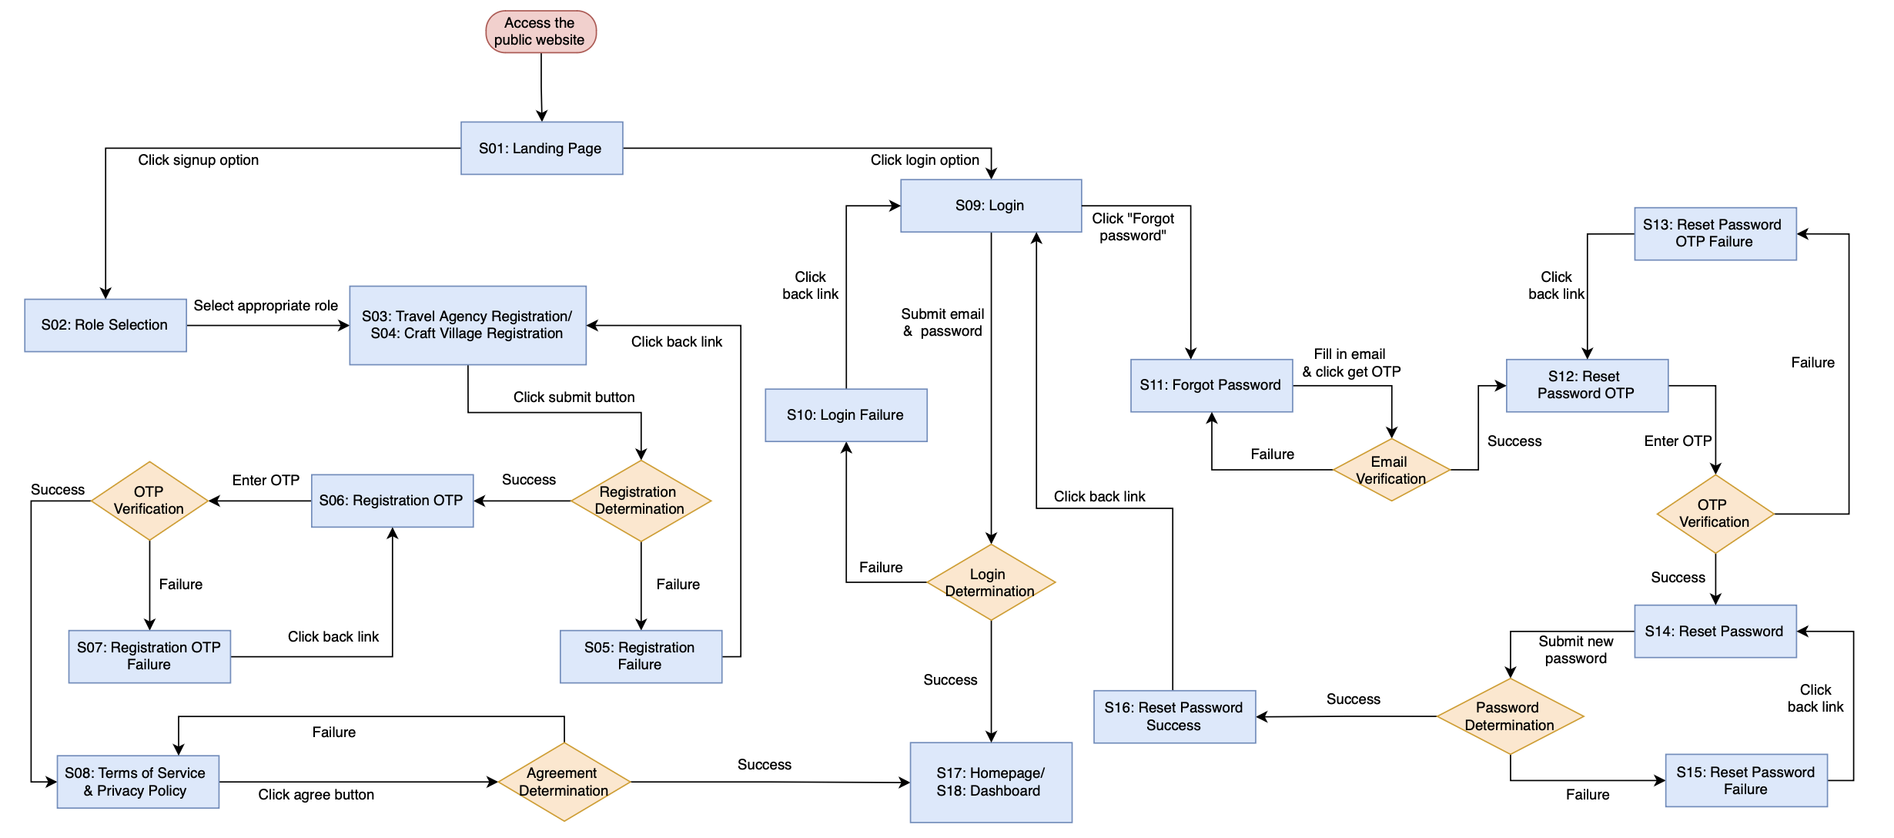

 |  |  |  | Figure 20: General Authentication of Travel Agency & Craft Village

 | General User Account Management

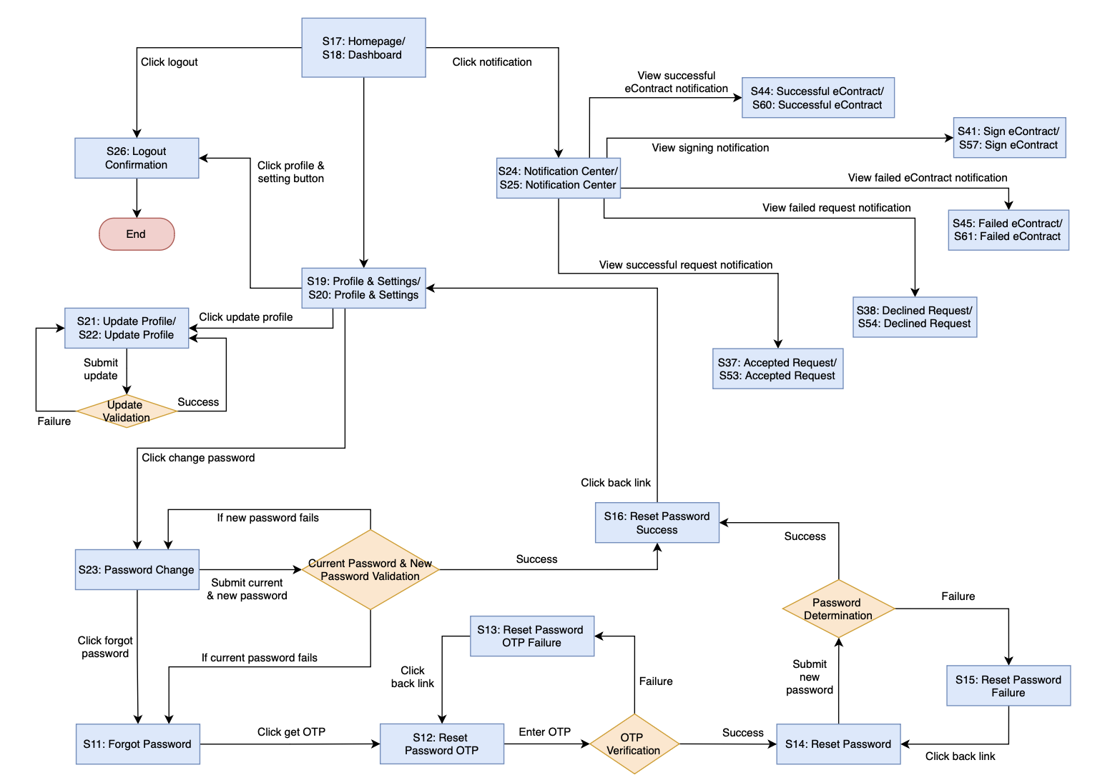

 |  |  |  | Figure 21: General User Account Management of Travel Agency & Craft Village

 | Matching (Main Flow)

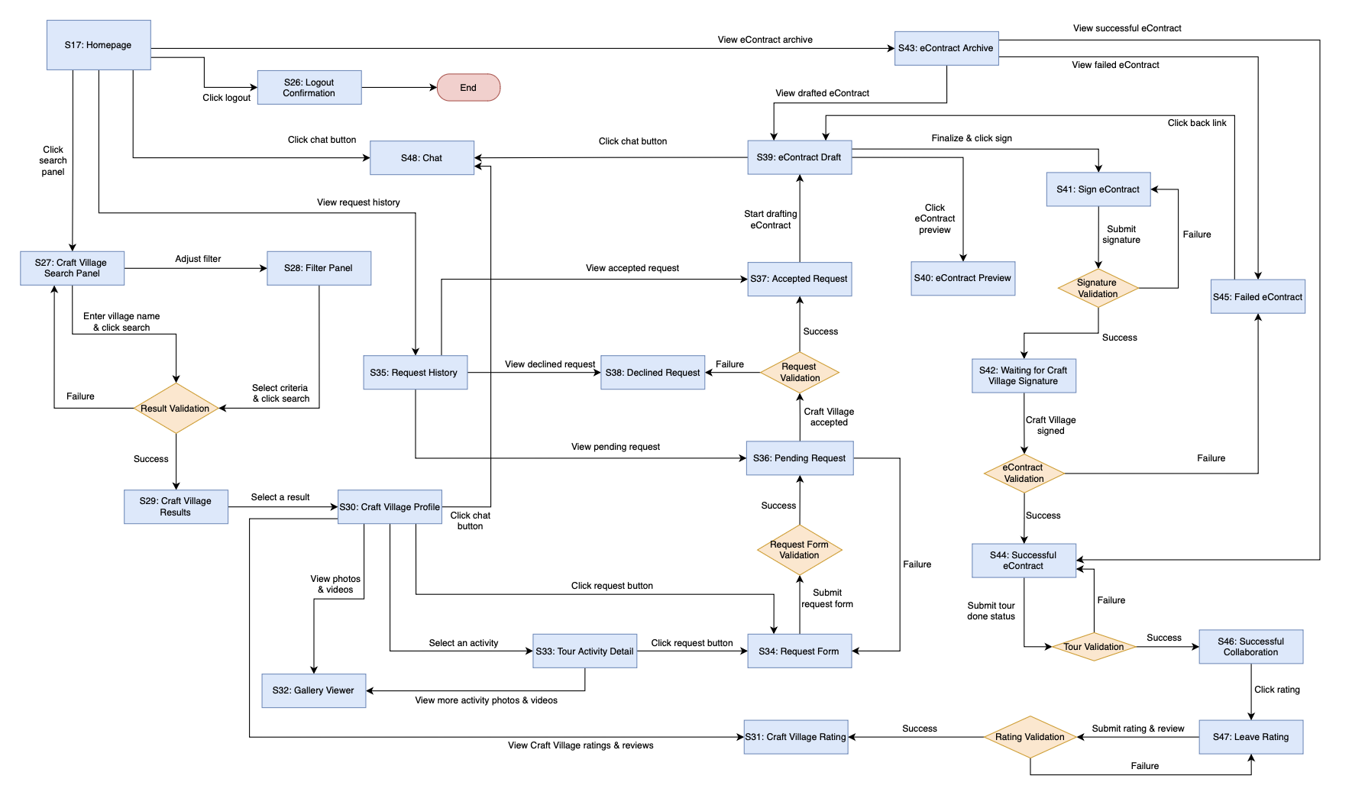

 |  |  |  | Figure 22: Travel Agency Experience - Matching Craft Village partner

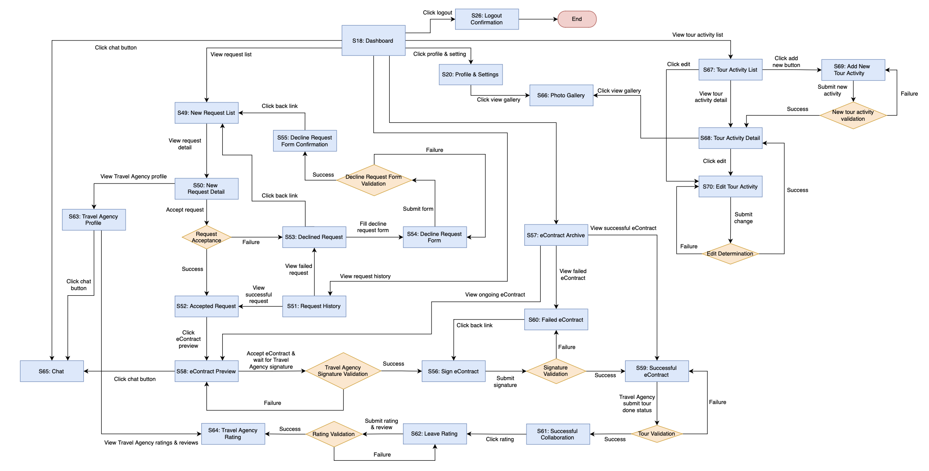

 |  |  |  | Figure 23: Craft Village Experience - Matching Travel Agency partner

 |  |  |  | Admin

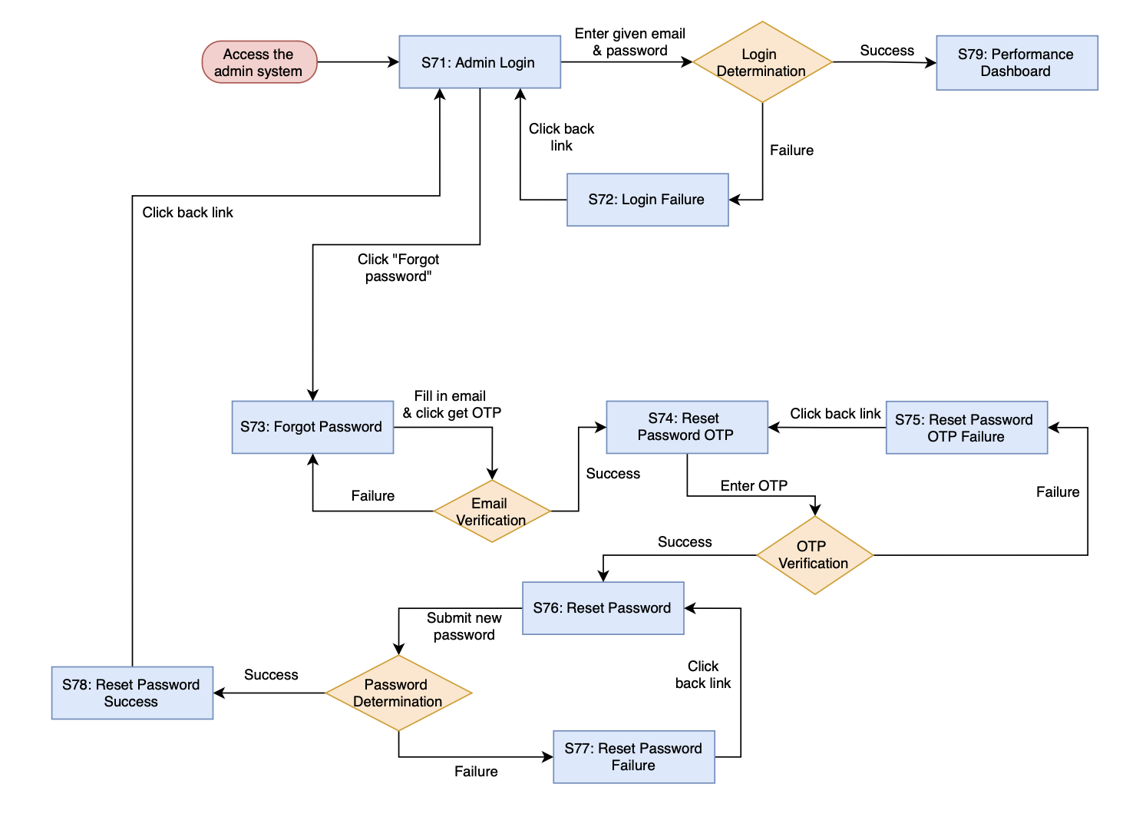
 |  | Admin Authentication

 |  |  |  | Figure 24: Admin Authentication

 |  | Admin Account Management
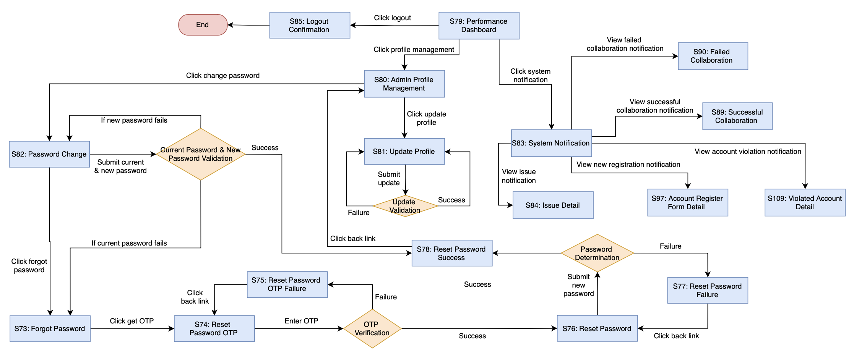

 |  |  |  | Figure 25: Admin Account Management

 |  | Administration (Main Flow)
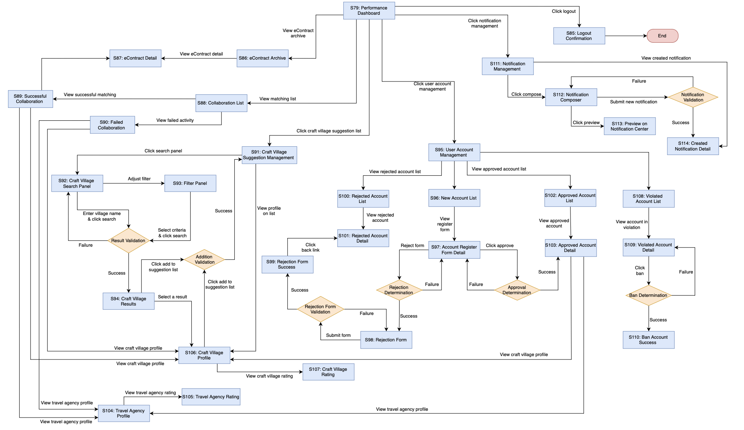

 |  |  |  | Figure 26: Administration

